Case #1
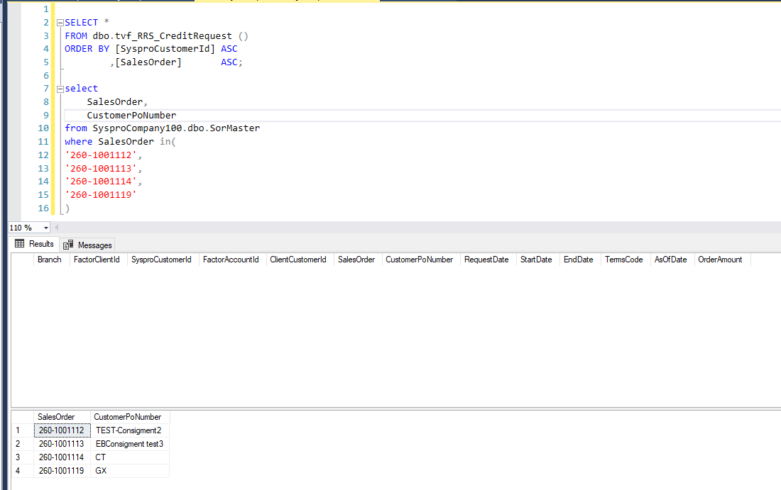
Justin Pope Dev Test
Test Case No. | 1
Process | Test tvf_RRS_CreditRequest excludes pos with terms specified.
Test Consideration | 1) SQL Server Management Studio
Test Condition |  | Data Used | How To Verify | Actual Results
Tasks
1 | Query Original TVF: tvf_RRS_CreditRequest() | Original Data | query database | Results below
2 | Query Altered TVF: tvf_RRS_CreditRequest() | Original Data | query database | Results below
3 | Alter CustomerPONumbers | Alter Data | Sales Order: 260-1001119 Customer PO with GX prefix Sales Order: 260-1001112 Customer PO with TEST prefix Sales Order: 260-1001113 Customer PO with EB prefix Sales Order: 260-1001114 Customer PO with CT prefix
4 | Query Altered TVF: tvf_RRS_CreditRequest() | Updated Data from Step 3 | query database | Results below
Configuration/Data Setup for Testing Scenario
1 | Script in SQL Server Management Studio
2 | Edits in Syspro
Verification

Test Cast Screens Shots Before and After

 | 1) Original TVF
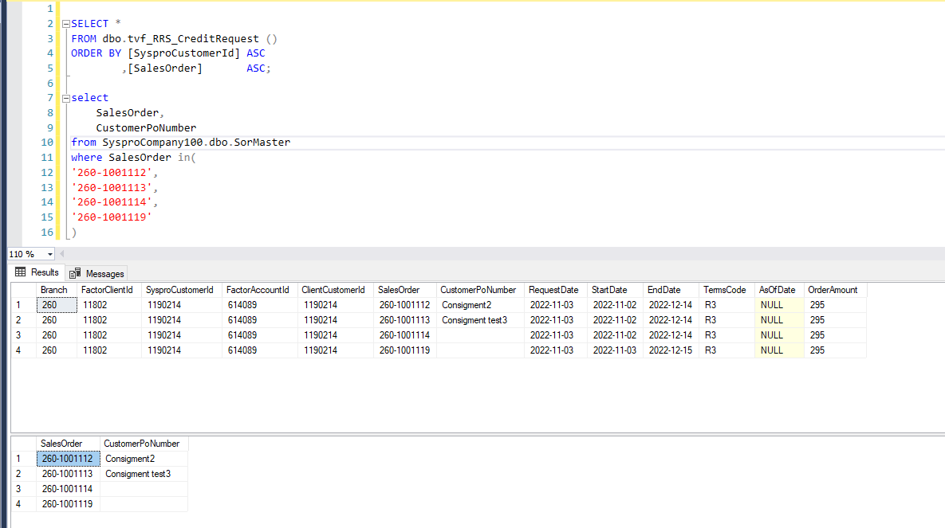

 | 2) Altered TVF
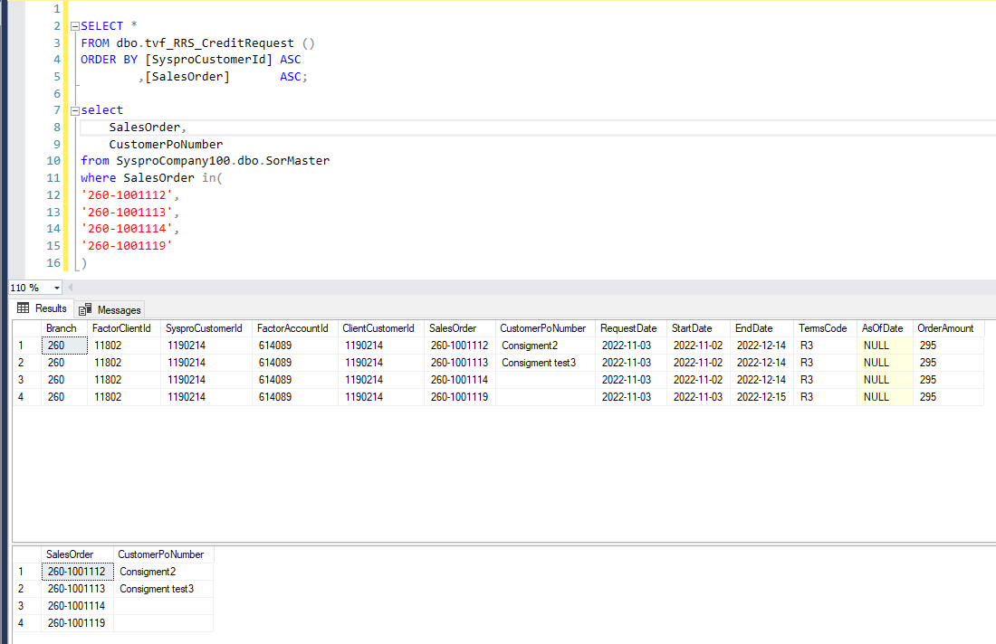

 | 4) Query After Alter

Case #2
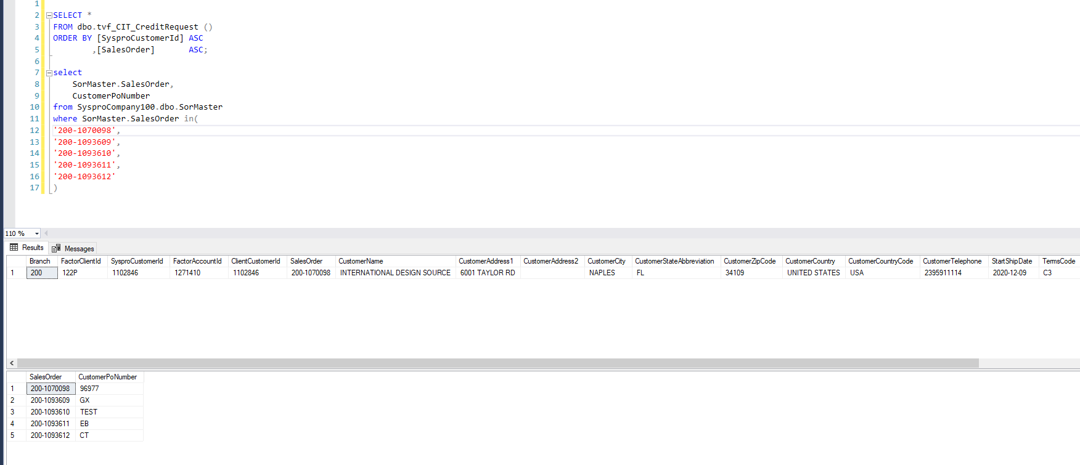
Justin Pope Dev Test
Test Case No. | 2
Process | Test tvf_CIT_CreditRequest excludes pos with terms specified.
Test Consideration | 1) SQL Server Management Studio
Test Condition |  | Data Used | How To Verify | Actual Results
Tasks
1 | Query Original TVF: tvf_CIT_CreditRequest() | Original Data | query database | Results below
2 | Query Altered TVF: tvf_CIT_CreditRequest() | Original Data | query database | Results below
Configuration/Data Setup for Testing Scenario
1 | Script in SQL Server Management Studio
2 | Edits in Syspro
Verification

Test Cast Screens Shots Before and After

 | 1) Original
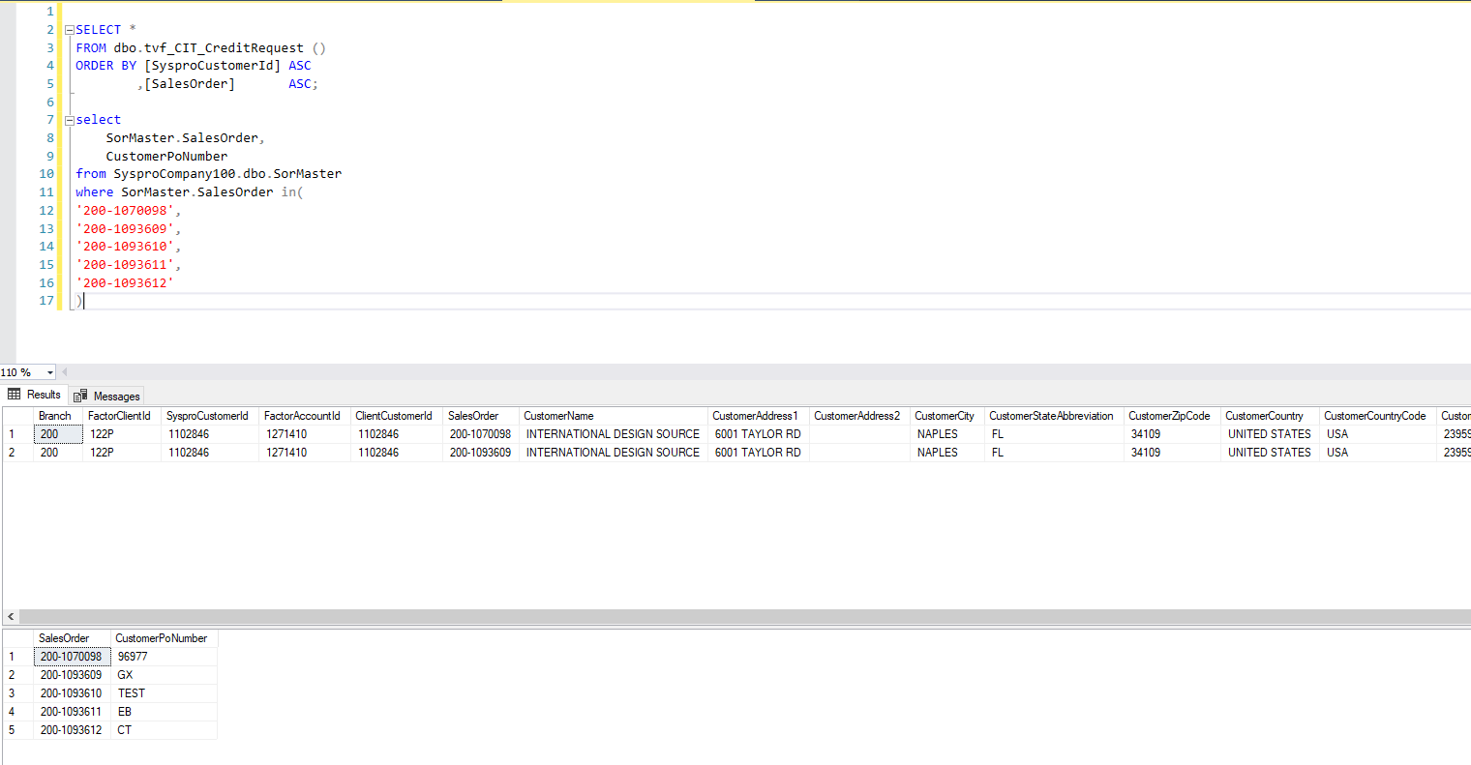

 | 2) Altered

